Overview
Full DCF Valuation

Developed By: Driss Baraket
Valuation of: | APPLE INC.
Ticker: | AAPL
Date: | 44521
Number of shares: | 16.865B
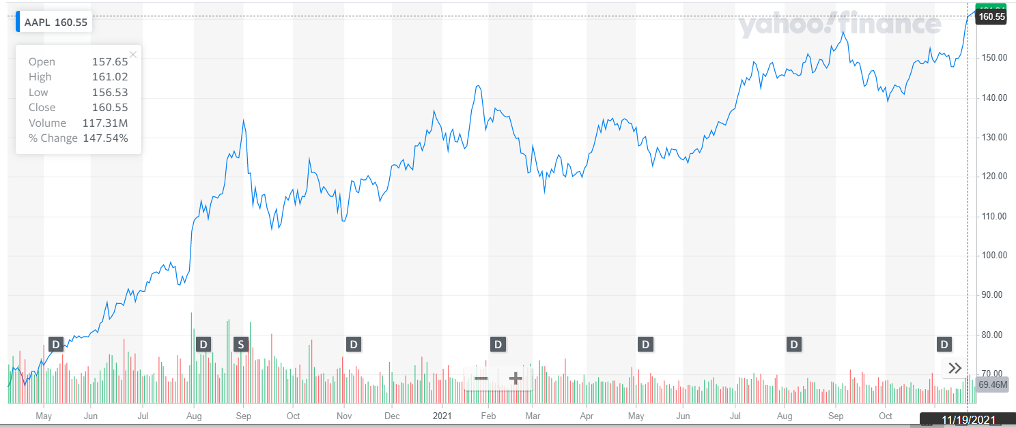
Current Price: | 147.87
Market Capitalization: | 2.04T

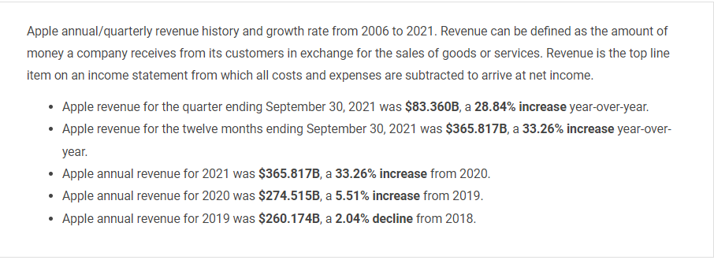
 |  | 6

AAPL Income Statement
$AAPL

Assumptions
Scenario | A
Perpetuity Growth Rate (g) | 2.00%
WACC | 9.26%

 |  | 2016A | 2017A | 2018A | 2019A | 2020A | 2021A | 2022F | 2023F | 2024F | 2025F | 2026F | 2027F | 2028F | 2029F | 2030F
Income Statement ($M)

Revenues (Net Sales)
Products |  |  |  |  | $213,883 | $220,747 | $297,392
Services |  |  |  |  | $46,291 | $53,768 | $68,425

Total Net Sales |  | $215,639 | $229,234 | $265,595 | $260,174 | $274,515 | $365,817 | $435,322 | $513,680 | $617,884 | $757,349 | $945,605 | $1,202,269 | $1,556,079 | $2,049,578 | $2,746,435
% Growth |  |  | 6% | 16% | -2% | 6% | 33% | 19% | 18% | 20% | 23% | 25% | 27% | 29% | 32% | 34%
 |  |  |  |  |  |  |  | 19% | 18% | 20% | 23% | 25% | 27% | 29% | 32% | 34%
 |  |  |  |  |  |  |  | 19% | 18% | 17% | 17% | 16% | 16% | 15% | 15% | 14%
 |  |  |  |  |  |  |  | 19% | 18% | 17% | 15% | 14% | 12% | 11% | 9% | 8%

Cost of Sales
Products |  |  |  |  | 144996 | 151286 | 192266
Services |  |  |  |  | 16786 | 18273 | 20715
Total Cost Of Sales |  | -$131,376 | -$141,048 | -$163,756 | -$161,782 | -$169,559 | -$212,981 | $270,693 | $313,345 | $374,456 | $455,969 | $565,555 | $714,289 | $918,316 | $1,201,416 | $1,598,992
% of Net Sales |  | 61% | 62% | 62% | 62% | 62% | 58% | 62% | 61% | 61% | 60% | 60% | 59% | 59% | 59% | 58%
 |  |  |  |  |  |  |  | 62% | 61% | 61% | 60% | 60% | 59% | 59% | 59% | 58%
 |  |  |  |  |  |  |  | 62% | 60% | 60% | 60% | 60% | 61% | 61% | 61% | 61%
 |  |  |  |  |  |  |  | 62% | 60% | 61% | 62% | 63% | 64% | 65% | 66% | 67%

Gross Margin |  | $84,263 | $88,186 | $101,839 | $98,392 | $104,956 | $152,836 | $164,629 | $200,335 | $243,428 | $301,380 | $380,049 | $487,979 | $637,763 | $848,163 | $1,147,443
% of Revenue |  | 39% | 38% | 38% | 38% | 38% | 42% | 38% | 39% | 39% | 40% | 40% | 41% | 41% | 41% | 42%

Operating Expenses
R&D |  | -$10,045 | -$11,581 | -$14,236 | -$16,217 | -$18,752 | -$21,914
SG&A |  | -$14,194 | -$15,261 | -$16,705 | -$18,245 | -$19,916 | -$21,973
Total OPEX |  | -$24,239 | -$26,842 | -$30,941 | -$34,462 | -$38,668 | -$43,887 | $47,273 | $57,526 | $69,901 | $86,542 | $109,132 | $140,124 | $183,134 | $243,551 | $329,489
% of Gross Margin |  | 29% | 30% | 30% | 35% | 37% | 29% | 29% | 29% | 29% | 29% | 29% | 29% | 29% | 29% | 29%
 |  |  |  |  |  |  |  | 28.72% | 28.72% | 28.72% | 28.72% | 28.72% | 28.72% | 28.72% | 28.72% | 28.72%
 |  |  |  |  |  |  |  | 28.72% | 28.72% | 29.14% | 29.57% | 29.99% | 30.42% | 30.84% | 31.27% | 31.69%
 |  |  |  |  |  |  |  | 28.72% | 28.72% | 29.88% | 31.04% | 32.20% | 33.36% | 34.52% | 35.68% | 36.84%

Operating Income |  | $60,024 | $61,344 | $70,898 | $63,930 | $66,288 | $108,949 | $117,356 | $142,809 | $173,527 | $214,839 | $270,918 | $347,856 | $454,629 | $604,612 | $817,954
Interest Expense |  | -1456 | -2323 | -3240 | -3576 | -2873 | -2645
Interest and Investment Income |  | 3999 | 5201 | 5686 | 4961 | 3763 | 2843
Other Non Operating Income/Expense |  | -1195 | -133 | -441 | 422 | -87 | 60
Other Income/Expense (Total) |  | 1348 | 2745 | 2005 | 1807 | 803 | 258 | $278 | $338 | $1,462 | $3,110 | $5,562 | $9,248 | $14,839 | $23,395 | $36,602
% of Operating Income |  | 2.2% | 4.5% | 2.8% | 2.8% | 1.2% | 0.2% | 0.24% | 0.24% | 0.84% | 1.45% | 2.05% | 2.66% | 3.26% | 3.87% | 4.47%
 |  |  |  |  |  |  |  | 0.24% | 0.24% | 0.84% | 1.45% | 2.05% | 2.66% | 3.26% | 3.87% | 4.47%
 |  |  |  |  |  |  |  | 0.24% | 0.24% | 0.53% | 0.83% | 1.12% | 1.42% | 1.71% | 2.01% | 2.30%
 |  |  |  |  |  |  |  | 0.24% | 0.24% | 0.24% | 0.24% | 0.24% | 0.24% | 0.24% | 0.24% | 0.24%

Income Before Taxes |  | $61,372 | $64,089 | $72,903 | $65,737 | $67,091 | $109,207 | $117,634 | $143,147 | $174,989 | $217,949 | $276,480 | $357,103 | $469,467 | $628,007 | $854,555
Provision For Income Tax |  | -15685 | -15738 | -13372 | -10481 | -9680 | -14527 | $21,984 | $25,113 | $28,654 | $34,974 | $44,414 | $58,339 | $79,069 | $103,839 | $139,861
Taxes (%) |  | 26% | 25% | 18% | 16% | 14% | 13% | 19% | 18% | 16% | 16% | 16% | 16% | 17% | 17% | 16%

Net Income |  | $45,687 | $48,351 | $59,531 | $55,256 | $57,411 | $94,680 | $95,650 | $118,034 | $146,335 | $182,975 | $232,066 | $298,765 | $390,398 | $524,168 | $714,694

WACC
TGR
 |  |  |  |  | Terminal Value Sensitivity Table

 |  |  |  |  | $8,796,020 | 7% | 8% | 9% | 10%
 |  |  |  |  | 1% | $(11,166,156) | $(9,660,439) | $(8,531,152) | $(7,652,817)
 |  |  |  |  | 2% | $(13,399,387) | $(11,270,512) | $(9,749,888) | $(8,609,419)
 |  |  |  |  | 3% | $(16,749,233) | $(13,524,615) | $(11,374,869) | $(9,839,336)
 |  |  |  |  | 4% | $(22,332,311) | $(16,905,768) | $(13,649,843) | $(11,479,225)

AAPL DCF Model
AAPL DCF Model

 |  |  |  |  |  |  |  | 1 | 2 | 3 | 4 | 5 | 6 | 7 | 8 | 9
DCF

EBIAT |  | $44,339 | $45,606 | $57,526 | $53,449 | $56,608 | $94,422 | $95,372 | $117,696 | $144,873 | $179,865 | $226,504 | $289,517 | $375,559 | $500,773 | $678,093

D&A |  | $10,505 | $10,157 | $10,903 | $12,547 | $11,056 | $11,284 | $19,054 | $22,173 | $25,641 | $29,784 | $34,926 | $41,342 | $49,348 | $60,093 | $81,371
% of EBIAT |  | 24% | 22% | 19% | 23% | 20% | 12% | 20% | 19% | 18% | 17% | 15% | 14% | 13% | 12% | 12%

CAPEX |  | -$12,734 | -$12,451 | -$13,313 | -$10,495 | -$7,309 | -$11,085 | -$19,623 | -$24,216 | -$29,808 | -$37,007 | -$46,603 | -$59,568 | -$77,272 | -$103,034 | -$139,518
% of EBIAT |  | 29% | 27% | 23% | 20% | 13% | 12% | 21% | 21% | 21% | 21% | 21% | 21% | 21% | 21% | 21%

Change in NWC |  | $405 | -$4,923 | $34,694 | -$3,488 | $5,690 | -$4,911 | $871 | $1,075 | $1,323 | $1,643 | $2,069 | $2,644 | $3,430 | $4,574 | $6,194
% of EBIAT |  | 0.9% | -10.8% | 60.3% | -6.5% | 10.1% | -5.2% | 1% | 1% | 1% | 1% | 1% | 1% | 1% | 1% | 1%

FCF |  | $42,515 | $38,389 | $89,810 | $52,013 | $66,045 | $89,710 | $95,674 | $116,728 | $142,030 | $174,285 | $216,895 | $273,935 | $351,066 | $462,406 | $626,140
PV of FCF |  |  |  |  |  |  |  | $87,565 | $97,779 | $108,890 | $122,293 | $139,293 | $161,013 | $188,859 | $227,671 | $282,157

VALUATION

Football Field Valuation
DCF

Terminal Value | $8,796,020
PV of Terminal Value | $3,963,752

Enterprise Value | $5,379,272
Debt | 21415
Cash | 34940
Equity Value | $5,392,797
Diluted Shares Outstanding | 16635 |  |  | Summary Table
Share Price | $324.18 |  |  |  | MIN | Difference | MAX
 |  |  |  | DCF | 122.57 | 51.01 | 173.58
EBITDA Multiples |  |  |  | EBITDA(X) | 153.32 | 28.68 | 182
Industry EBITDA/EV Multiple | 21x |  |  | P/E (X) | 81.35 | 80.84 | 162.19
AAPL EBITDA | $120,233 |  |  | 52 Week | $113 | 53.11 | $166
Enterprise Value | $2,536,916
Debt | 2141500.0%
Cash | $34,940
Equity Value | $2,550,441
Diluted Shares Outstanding | 16635
Share Price | $153.32

P/E Multiples
Industry P/E Multiple | 28.91x
AAPL EPS | $5.61
Share Price | $162.19

52 Week Range
Low | $113
High | $166
Average | $139

AAPL Average Valuation | $194.71

